Disclaimer
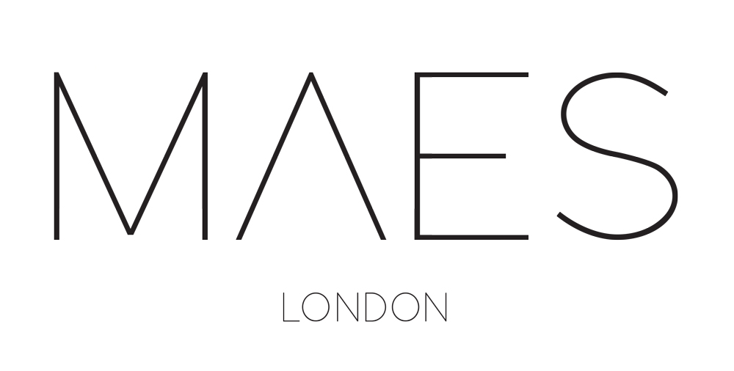

This garment pricing sheet is provided by MAES London as a reference template only. Disclaimer - Limitation of Liability: MAES London shall not be responsible for any incidental, indirect, consequential, special, punitive, or exemplary damages caused by the use of this template.

We are a high-end garment manufacturer based in East London.

CMT Sampling | Production | Consultancy
 | maeslondon.com
Dikay Ltd trading as MAES London is registered in England with number 08045312, with its registered office at Ground Floor Workshop, Pelican House, 144 Cambridge Heath Road, London E1 5QJ. VAT Number: 287 8837 27.

